Sheet1
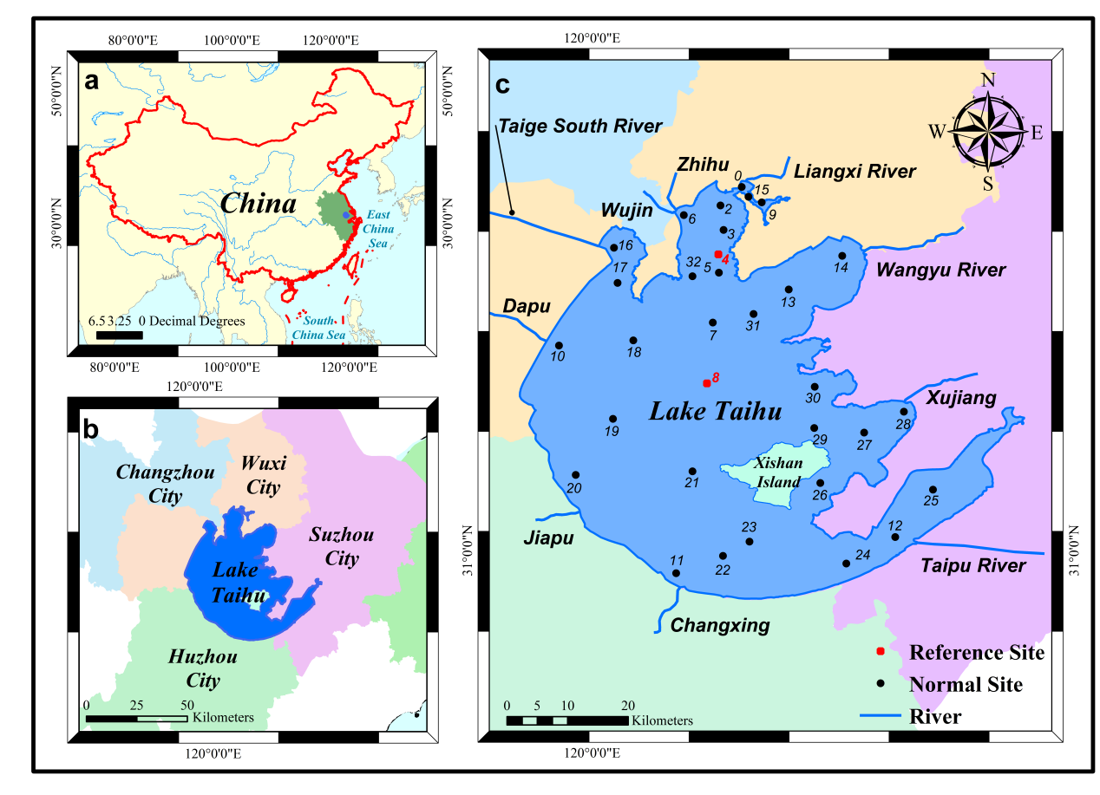
Table S1-2 The benchmark data of each site from 2014 to 2015
Monitoring Sites | 201408 | 201501 | 201505
0 | 1.1 | 1.375 | 1.875
2 | 1.5 | 1.625 | 1.375
3 | 1.8 | 1.25 | 1.125
4 | 1.8 | 1.125 | 1.375
5 | 1.8 | 1.25 | 1.125
6 | 1.8 | 1.25 | 1.375
7 | 1.35 | 1.75 | 2.75
8 | 1.35 | 1.375 | 0.8759
10 | 1.1 | 1.125 | 0.875
11 | 0.9 | 1.125 | 2.375
12 | 0.9 | 1.1 | 1.375
13 | 0.8 | 2.75 | 1.75
14 | 0.6 | 3 | 1.375
15 | 1.1 | 1.375 | 1.875
16 | 1.8 | 0.875 | 0.75
17 | 1.65 | 0.875 | 1.125
18 | 1.35 | 0.875 | 0.875
19 | 1.2 | 0.875 | 0.75
20 | 0.9 | 0.875 | 1.375
21 | 0.5 | 1.625 | 2.125
22 | 0.5 | 1.125 | 2.125
23 | 0.7 | 1.125 | 2.125 | Figure 1 Study area diagram
24 | 0.5 | 1.125 | 1.375 | (a)Study area location; (b) Geographic context; (c) Distribution of existing monitoring sites in the lake area.
25 | 0.7 | 1 | 0.875
26 | 1.35 | 1.125 | 0.75
27 | 0.9 | 1.125 | 0.875
28 | 0.3 | 1 | 0.75
29 | 0.9 | 1.625 | 0.875
30 | 0.5 | 1.625 | 1.125
31 | 1 | 1.75 | 1.875
32 | 2.1 | 1.625 | 1.375

